Poonawalla Fincorp
Live Market Trade
 | Nifty 50 | Poonawalla Fincorp
Jan-24 | 21725.7 | 478.3
Feb-24 | 21982.8 | 467
Mar-24 | 22326.9 | 465.6
Apr-24 | 22604.85 | 490.65
May-24 | 22530.7 | 449.1
Jun-24 | 24010.6 | 409.1
Jul-24 | 24951.15 | 369.05
Aug-24 | 25235.9 | 387.3
Sep-24 | 25810.85 | 394.45
Oct-24 | 24205.35 | 374.5
Nov-24 | 24131.1 | 354.45
Dec-24 | 23644.8 | 314.35
Jan-25 | 23494.6 | 310.85
Feb-25 | 22124.7 | 281.3
Mar-25 | 23519.35 | 350.45
Apr-25 | 24334.2 | 375.25
May-25 | 24578.35 | 383.2
 | 2021 | 2022 | 2023
Rising Sun Holdings Pvt Ltd | 62% | 62% | 62%
Amansa Holdings Private Limited | 3% | 3% | 2%
Nippon Life India Trustee Ltd- A/C Nippo | 2% | 2% | 0%
Quant Mutual Fund - Quant Mid Cap Fund | 0% | 0% | 2%
Aditya Birla Sun Life Trustee Private Limited | 1% | 1% | 0%
Bank Muscat India Fund | 1% | 1% | 1%



 |  |  |  |  |  |  |  |  |  |  |  |  |  |  |  |  |  | PRODUCT OFFERINGS |  | Distribution Model


Stock Price
Nifty 50
 | 383.2 | 0.0%
 | 24578.35 | 0.0%

AUM-16143 Crs
Secured:7989.68 Unsecured:8153.32
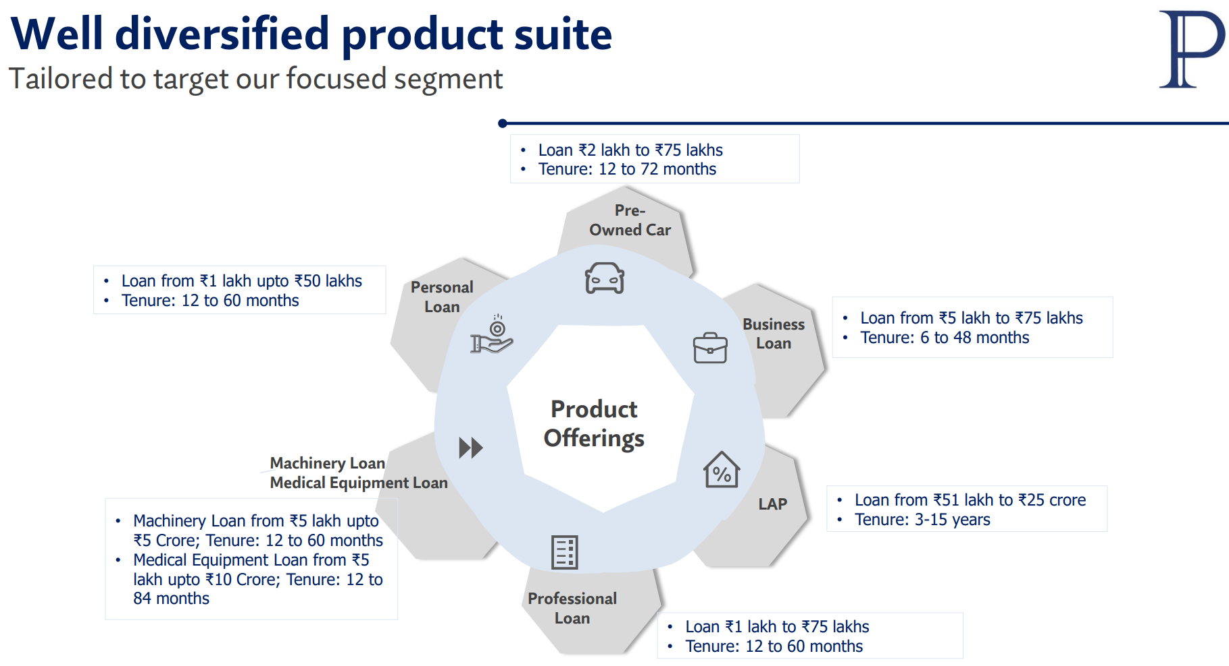
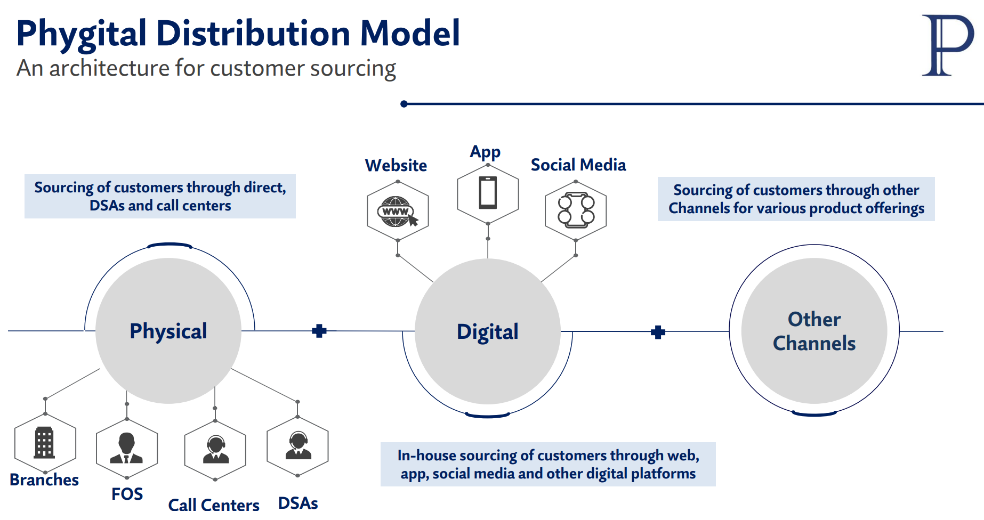
 | IMPORTANT PARAMETERS |  |  |  |  |  |  |  |  |  |  |  |  | Stake Holders |  |  | Structure Of The Issuer
Holdings %
 | Holdings %
Rising Sun Holdings Pvt Ltd | 62%
Amansa Holdings Private Limited | 2%
Nippon Life India Trustee Ltd- A/C Nippo | 0%
Quant Mutual Fund - Quant Mid Cap Fund | 2%
Aditya Birla Sun Life Trustee Private Limited | 0%
Growth Parameters
 | 2021 | 2022 | 2023
AUM | 14225 | 16579 | 16143
Loans Disbursed | 3680 | 9494 | 15198
Net Interest Margin % | 0.082 | 0.089 | 0.107

DROP
 |  |  |  |  |  |  | YonY
 | A LOOK AT FINANCIAL STATEMENTS |  |  |  |  |  |  |  |  |  |  |  |  | AVG(₹Crs) | %Inc/Dec |  | Segment Wise Breakup Of AUM | Ticket Size as a % of AUM | ALM STATEMENT

Spread Earned
2021 | 6.10%
2022 | 6.62%
2023 | 6.29%
Segment Wise Breakup Of AUM
 | Percentage of AUM
Mortgages (home loans and loans against property) | 16%
Vehicle finance | 31%
M&SME | 21%
Others | 32%
Ticket Size as a % of AUM
 | Percentage Of AUM
Upto Rs 2 lakh | 17.80%
Rs. 2-5 lakh | 13.90%
Rs. 5-10 lakh | 13.50%
Rs. 10-25 lakh | 23.90%
Rs. 25-50 lakh | 14.00%
Rs. 50 lakh- 1Crore | 3.50%
Rs. 1 - 5 Crore | 9.60%
Rs. 5 - 25 Crore | 3.80%
Rs. 25 - 100 Crore | 0.00%
Rs. > 100 Crore | 0.00%
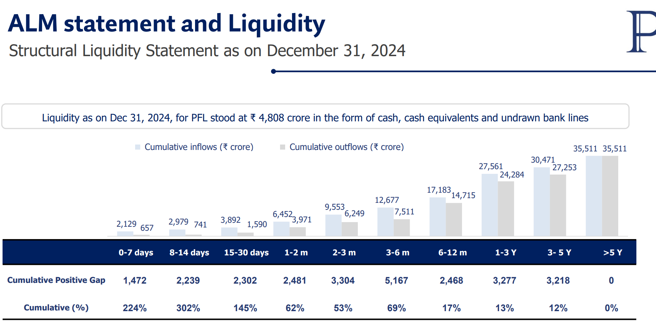
Finance Cost/Avg of last 2 yrs Borrowings.
 |  | 2021 |  |  |  | 2022 |  |  |  | 2023
# | BALANCE SHEET |  |  |  |  |  |  |  |  |  |  |  |  |  |  | Cost Of Borrowing
 | Loans & Advances | 8565.31 |  |  |  | 10678.37 |  |  |  | 15229.45 |  |  |  | 11491.04
 |  |  |  |  |  |  |  |  |  |  |  |  |  |  | 42.6%
 | Investments | 428.922 |  |  |  | 819.711 |  |  |  | 310.91 |  |  |  | 519.85
 |  |  |  |  |  |  |  |  |  |  |  |  |  |  | -62.1%
 | Borrowings | 6354.881 |  |  |  | 5576.69 |  |  |  | 9804.07 |  |  |  | 7245.21 |  | Cost Of Lending
Interest Income/Avg Loans & Advances of 2 Yrs given.
 |  |  |  |  |  |  |  |  |  |  |  |  |  |  | 75.8%
 | Shareholders Fund | 1942.06 |  |  |  | 5714.5 |  |  |  | 6424.7 |  |  |  | 4693.75
 |  |  |  |  |  |  |  |  |  |  |  |  |  |  | 12.4%
 | All the figures mentioned above are in ₹Crs
 |  | 2021 |  |  |  | 2022 |  |  |  | 2023
# | Cashflow Statements
 | Cash Flow From Operating Activities | 20168 |  |  |  | 44327 |  |  |  | -3900.01 |  |  |  | 20198.33
 |  |  |  |  |  |  |  |  |  |  |  |  |  |  | -108.8%
Credit Cost
2021 | 0.2%
2022 | 1.2%
2023 | 0.2%
 | Cash Flow From Investing Activities | -14012 |  |  |  | -9438 |  |  |  | -177.32 |  |  |  | -7875.77
 |  |  |  |  |  |  |  |  |  |  |  |  |  |  | -98.1%
 | Cash Flow From Financing Activities | -1694 |  |  |  | -37090 |  |  |  | 4343.51 |  |  |  | -11480.16
 |  |  |  |  |  |  |  |  |  |  |  |  |  |  | -111.7%
 | All the figures mentioned above are in ₹Crs
 |  | 2021 |  |  |  | 2022 |  |  |  | 2023
Credit Cost
# | Income Statement | - | - | - | - | - | - | - | - | - | - | - | -
It reflects the amount of money an NBFC must set aside to cover potential loan defaults.
 | Interest Income | 1756.98 | - | - | - | 1458.56 | - | - | - | 1816.94 | - | - | - | 1677.49
 |  |  |  |  |  |  |  |  |  |  |  |  |  |  | 24.6%
 | Interest Expense | 874.6 | - | - | - | 509.29 | - | - | - | 595.28 | - | - | - | 659.72
 |  |  |  |  |  |  |  |  |  |  |  |  |  |  | 16.9%
 | Non- Interest Income | 91.74 | - | - | - | 77.66 | - | - | - | 123.39 | - | - | - | 97.6
 |  |  |  |  |  |  |  |  |  |  |  |  |  |  | 58.9%
 | Operating Expense | 404.12 | - | - | - | 555 | - | - | - | 741.64 | - | - | - | 566.92
 |  |  |  |  |  |  |  |  |  |  |  |  |  |  | 33.6%
 | Provision & Bad Debts | 18.68 | - | - | - | 49.25 | - | - | - | - | - | - | - | 33.97
 |  |  |  |  |  |  |  |  |  |  |  |  |  |  | -
 | Profit After Tax | -575.41 | - | - | - | 294.83 | - | - | - | 586.3 | - | - | - | 101.91 | 98.9%
 | All the figures mentioned above are in ₹Crs

 | Important Ratios |  |  |  |  |  |  |  |  |  |  |  |  | Bucketing With Similar Paper & G-Sec |  |  | Top 5 States Geographical Breakup

Operational Matrix
 | 2021 | 2022 | 2023
Cash Flow To Debt | 0.024009695307 | 0.062474982946 | 0.038268121741
Interest Income | 1756.98 | 1458.56 | 1816.94
Employee Expense | 286.53 | 167 | 143
Operating Cost | 404.12 | 555 | 741.64
Profitability Metrics
 | ROA | ROE
2021 | -56% | -23%
2022 | 3% | 6%
2023 | 4% | 10%
Yeild Comparision
 | 10Y Gsec (%) | AAA PSU CORP. Bonds - 10 Y | POONAWALA FINCORP PAPER | AAA NBFC BOND-10Yr
2024-11-12 | 6.83 | 7.21 | 8.02 | 7.54
2024-11-14 | 6.86 | 7.21 | 7.95 | 7.57
2024-12-02 | 6.71 | 7.20 | 8.02 | 7.45
2024-12-03 | 6.71 | 7.27 | 8.02 | 7.38
2024-12-11 | 6.72 | 7.23 | 8 | 7.38
2024-12-18 | 6.75 | 7.21 | 7.96 | 7.47
2024-12-26 | 6.78 | 7.22 | 7.92 | 7.49
2024-12-27 | 6.79 | 7.22 | 7.88 | 7.49
2025-01-01 | 6.78 | 7.25 | 8.01 | 7.39
2025-01-07 | 6.75 | 7.22 | 7.98 | 7.52
2025-01-17 | 6.76 | 7.25 | 8.03 | 7.49
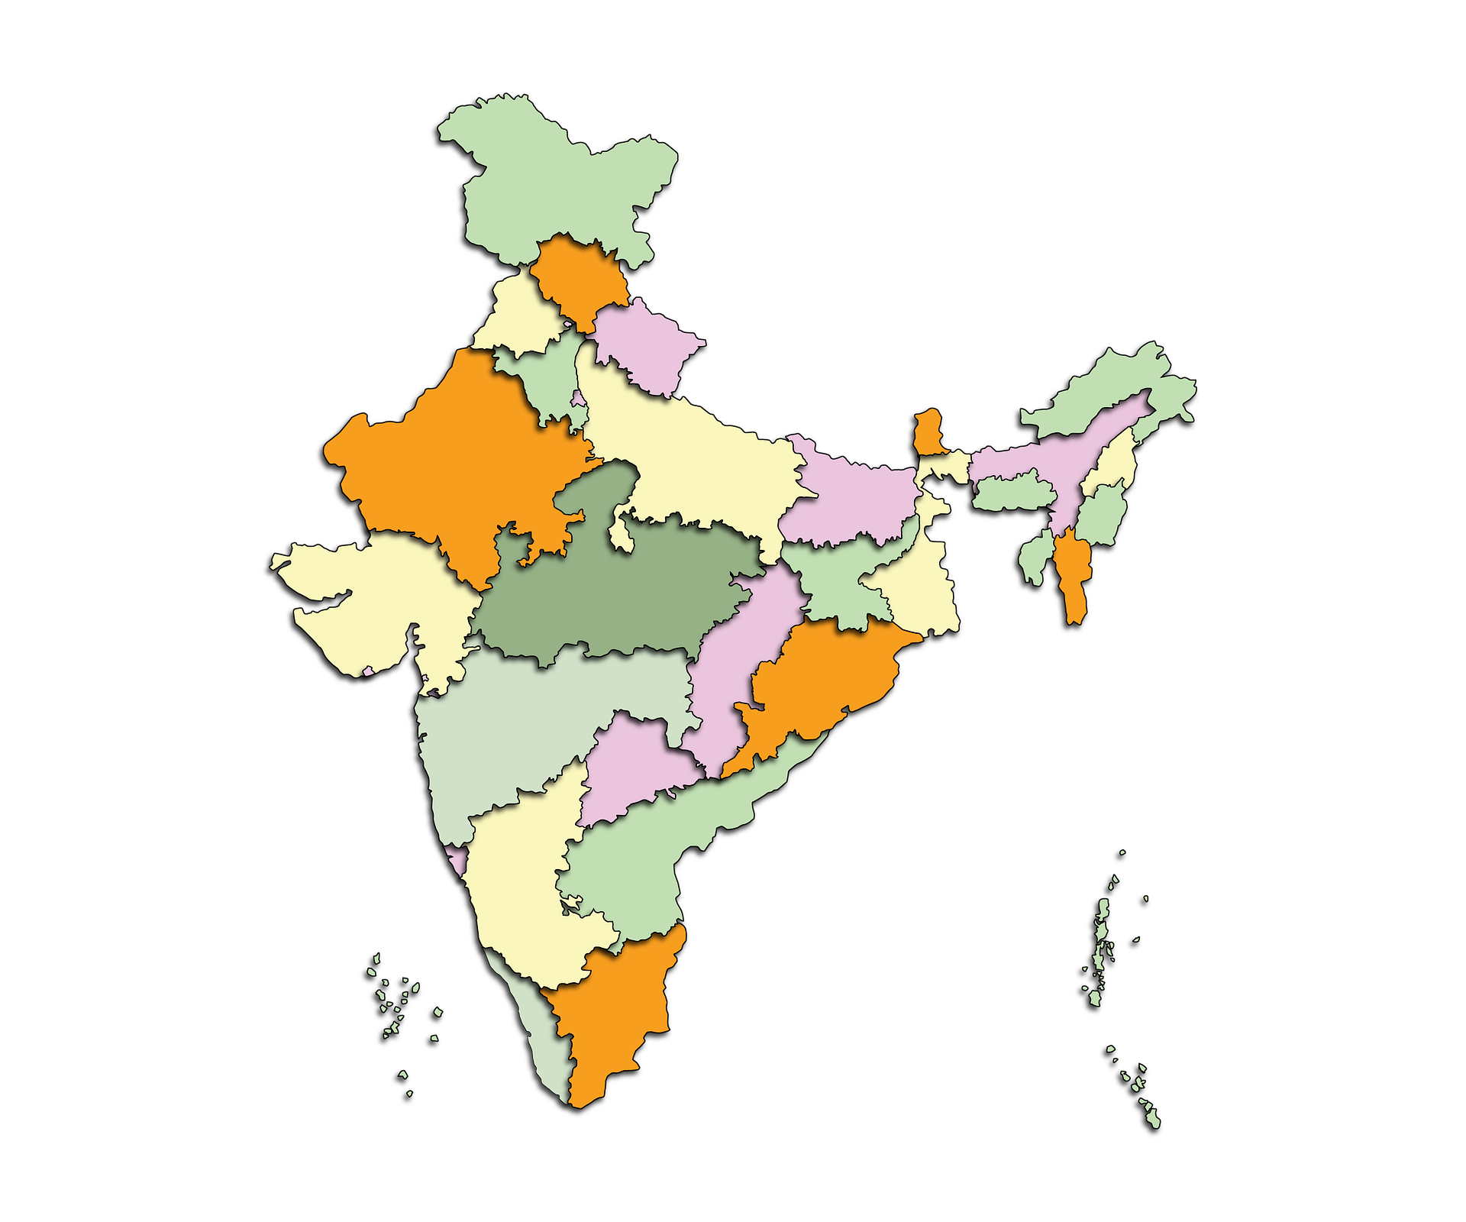
Top Debt Paper Buyers
 | Amount(₹ Crs)
State Bank of India | 1714.59
Punjab National Bank | 1713.54
Union Bank of India | 1594.45
Small Industries Development Bank of India | 1368.45
ICICI Bank Ltd. | 1312.5
Bank of India | 987.5
HSBC Ltd. | 600
IDBI Bank Ltd. | 450
Axis Bank Ltd. | 379.17
Indian Bank | 373.75
HDFC Bank Ltd. | 345.31
Bank of Maharashtra | 300
Indian Overseas Bank | 238.5
UCO Bank | 208.34
Bank of Baroda | 175
IDFC First Bank Ltd. | 100

Yeild Spread Between AAA PSU CORP Bond 10 Yr & Poonawala Fincorp Paper is 50 Bps.

Financial Performance Matrix
 | Finance Cost | PAT | Net Interest Income | Net Interest Margin %
2021 | 874.59 | -575.41 | 882.38 | 8%
2022 | 509.28 | 294.83 | 949.27 | 9%
2023 | 595.28 | 586.3 | 1221.66 | 11%
Credit & Risk Metrics
 | Gross NPA % | Net NPA % | PCR %
2021 | 4% | 1% | 69%
2022 | 3% | 1% | 60%
2023 | 1% | 1% | 46%
Gujarat
8.0%

Maharashtra
33.3%

Telengana
5.3%

Karnataka
5.4%

Tamil Nadu
6.0%

Other Important Parameters
 | Net Worth | Total Debt | AUM | Total Debt To Total Asset
2021 | 1942.06 | 8399.93 | 14225 | 77%
2022 | 5714.5 | 7095.15 | 16579 | 53%
2023 | 6424.7 | 11597.12 | 16143 | 62%
Other Important Parameter
 | Cash & Cash Equivalent | Loans Disbursed | Gearing Ratio Times
2021 | 265.09 | 3680 | 4.08
2022 | 335.2 | 9494 | 1.18
2023 | 601.38 | 15198 | 1.73

CURRENT MARKET LEVELS

Liquidity & Yield Movements
 | Liquidity (₹Crs) | 10Y Gsec (%) | 5Y Gsec (%) | 3Y Gsec (%) | AAA PSU CORP. Bonds - 5 Y | AAA PSU CORP. Bonds - 3 Y | 5Y AAA(%) | 3Y AAA(%)
2024-04-01 | 78422.49 | 7.06 | 7.06 | 7.05 | 7.6 | 7.66 | 7.61 | 7.69
2024-04-02 | 137040.49 | 7.12 | 7.1 | 7.08 | 7.65 | 7.67 | 7.63 | 7.73
2024-04-03 | 157650.41 | 7.1 | 7.09 | 7.08 | 7.65 | 7.67 | 7.65 | 7.73
2024-04-04 | 155775.67 | 7.09 | 7.06 | 7.07 | 7.65 | 7.67 | 7.63 | 7.71
2024-04-05 | 147823.67 | 7.12 | 7.09 | 7.08 | 7.65 | 7.67 | 7.64 | 7.73
2024-04-06 | 74888.67 | 7.12 | 7.09 | 7.08 | 7.65 | 7.67 | 7.64 | 7.73
2024-04-07 | 75696.67 | 7.12 | 7.09 | 7.08 | 7.65 | 7.67 | 7.64 | 7.73
2024-04-08 | 66934.67 | 7.15 | 7.13 | 7.12 | 7.63 | 7.67 | 7.68 | 7.77
2024-04-09 | 72395.67 | 7.15 | 7.13 | 7.12 | 7.63 | 7.67 | 7.68 | 7.77
2024-04-10 | 79449.67 | 7.11 | 7.08 | 7.08 | 7.63 | 7.67 | 7.66 | 7.73
2024-04-11 | 81861.67 | 7.11 | 7.08 | 7.08 | 7.63 | 7.67 | 7.66 | 7.73
2024-04-12 | 80611.67 | 7.18 | 7.18 | 7.14 | 7.69 | 7.75 | 7.73 | 7.79
2024-04-13 | 86139.67 | 7.18 | 7.18 | 7.14 | 7.69 | 7.75 | 7.73 | 7.79
2024-04-14 | 88713.67 | 7.18 | 7.18 | 7.14 | 7.69 | 7.75 | 7.73 | 7.79
2024-04-15 | 98920.67 | 7.18 | 7.17 | 7.15 | 7.69 | 7.75 | 7.73 | 7.8
2024-04-16 | 104302.67 | 7.19 | 7.19 | 7.17 | 7.7 | 7.73 | 7.76 | 7.81
2024-04-17 | 104840.67 | 7.19 | 7.19 | 7.17 | 7.7 | 7.73 | 7.69 | 7.73
2024-04-18 | 104840.67 | 7.19 | 7.2 | 7.17 | 7.69 | 7.71 | 7.69 | 7.73
2024-04-19 | 38381.34 | 7.23 | 7.25 | 7.22 | 7.73 | 7.73 | 7.85 | 7.89
2024-04-20 | -30771.66 | 7.23 | 7.25 | 7.22 | 7.73 | 7.73 | 7.85 | 7.89
2024-04-21 | -30133.66 | 7.23 | 7.25 | 7.22 | 7.73 | 7.73 | 7.85 | 7.89
2024-04-22 | -106707.95 | 7.19 | 7.2 | 7.2 | 7.75 | 7.79 | 7.69 | 7.78
2024-04-23 | -113050.55 | 7.16 | 7.17 | 7.17 | 7.74 | 7.75 | 7.66 | 7.77
2024-04-24 | -128466.60 | 7.19 | 7.18 | 7.19 | 7.75 | 7.78 | 7.67 | 7.78
2024-04-25 | -148454.60 | 7.21 | 7.19 | 7.2 | 7.76 | 7.77 | 7.69 | 7.79
2024-04-26 | -158494.60 | 7.19 | 7.18 | 7.19 | 7.76 | 7.78 | 7.68 | 7.79
2024-04-27 | -151083.60 | 7.19 | 7.18 | 7.19 | 7.76 | 7.78 | 7.68 | 7.79
2024-04-28 | -148452.60 | 7.19 | 7.18 | 7.19 | 7.76 | 7.78 | 7.68 | 7.79
2024-04-29 | -134551.60 | 7.2 | 7.2 | 7.19 | 7.76 | 7.8 | 7.69 | 7.76
2024-04-30 | -103106.60 | 7.19 | 7.2 | 7.19 | 7.74 | 7.8 | 7.69 | 7.76
2024-05-01 | -108223.60 | 7.19 | 7.2 | 7.19 | 7.74 | 7.8 | 7.69 | 7.76
2024-05-02 | -78481.39 | 7.16 | 7.17 | 7.16 | 7.75 | 7.8 | 7.66 | 7.74
2024-05-03 | -77597.39 | 7.15 | 7.16 | 7.15 | 7.74 | 7.77 | 7.72 | 7.75
2024-05-04 | -103943.39 | 7.15 | 7.16 | 7.15 | 7.74 | 7.77 | 7.72 | 7.75
2024-05-05 | -97818.39 | 7.15 | 7.16 | 7.15 | 7.74 | 7.77 | 7.72 | 7.75
2024-05-06 | -101035.39 | 7.11 | 7.11 | 7.1 | 7.74 | 7.78 | 7.67 | 7.7
2024-05-07 | -138402.39 | 7.13 | 7.13 | 7.12 | 7.72 | 7.74 | 7.7 | 7.71
2024-05-08 | -152545.39 | 7.13 | 7.14 | 7.12 | 7.72 | 7.74 | 7.7 | 7.72
2024-05-09 | -177388.74 | 7.13 | 7.14 | 7.12 | 7.71 | 7.76 | 7.7 | 7.72
2024-05-10 | -123282.74 | 7.13 | 7.13 | 7.12 | 7.71 | 7.76 | 7.68 | 7.71
2024-05-11 | -119918.74 | 7.13 | 7.13 | 7.12 | 7.71 | 7.76 | 7.68 | 7.71
2024-05-12 | -117981.74 | 7.13 | 7.13 | 7.12 | 7.71 | 7.76 | 7.68 | 7.71
2024-05-13 | -140499.74 | 7.12 | 7.12 | 7.11 | 7.72 | 7.76 | 7.68 | 7.7
2024-05-14 | -148631.93 | 7.11 | 7.12 | 7.11 | 7.68 | 7.75 | 7.68 | 7.7
2024-05-15 | -120396.76 | 7.08 | 7.09 | 7.08 | 7.66 | 7.73 | 7.65 | 7.68
2024-05-16 | -93999.10 | 7.08 | 7.08 | 7.08 | 7.64 | 7.7 | 7.64 | 7.67
2024-05-17 | -112568.89 | 7.09 | 7.09 | 7.08 | 7.64 | 7.7 | 7.7 | 7.7
2024-05-18 | -130133.89 | 7.09 | 7.09 | 7.08 | 7.64 | 7.7 | 7.7 | 7.7
2024-05-19 | -129299.89 | 7.09 | 7.09 | 7.08 | 7.64 | 7.7 | 7.7 | 7.7
2024-05-20 | -148722.89 | 7.09 | 7.09 | 7.08 | 7.64 | 7.7 | 7.7 | 7.7
...

CRAR%
 | CRAR%
2021 | 20%
2022 | 49%
2023 | 39%
AUM & Loan Disbursment Overview
 | AUM | Loans Disbursed
2021 | 14225 | 3680
2022 | 16579 | 9494
2023 | 16143 | 15198

